Bug report
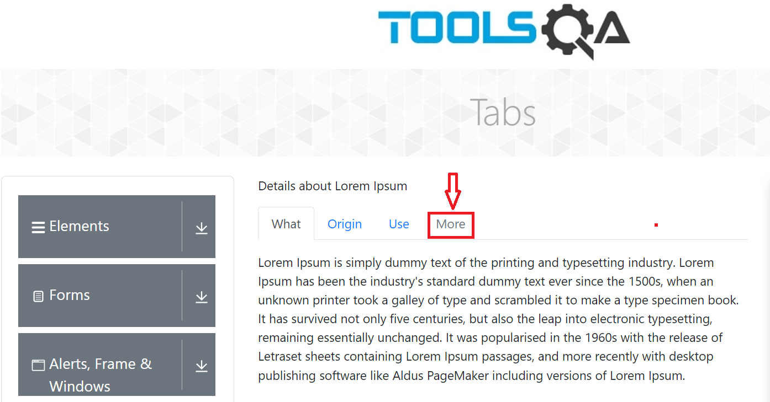
Summary | "More" Tab is not clickable
Description | When user goes to https://demoqa.com/ and clicks on "Widgets" card on the screen "Widgets" page is open. User clicks on "Tabs" on the left menu field under the "Widgets" and the "Tabs" page is open. User then clicks on "More" tab which is last one in the row. More tab is not clickable.
Steps to reproduce | Open Chrome browser
 | Go to the following URL: https://demoqa.com/
 | Click on 'Widgets' card on the screen
 | Click on "Tabs" under the "Widgets" menu
 | Click on "More" Tab
Expected result | "More" tab is clickable and visible open
Actual result | More tab is not clickable and it does not open
Priority | Low
Severity | Low
Repro rate | 100%
Environment | Production

